TYU 2
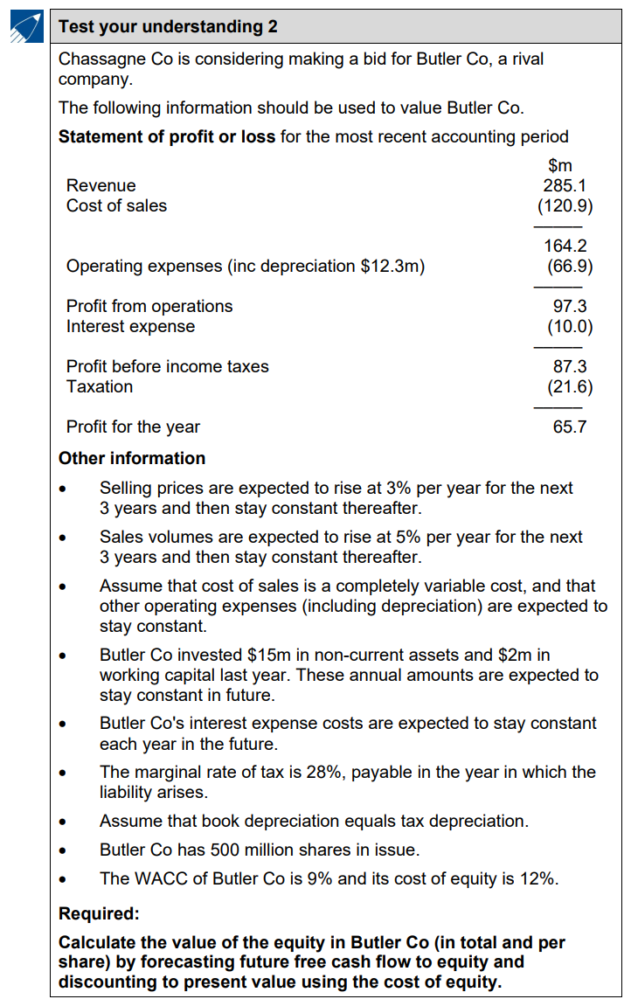
 | $m |  | Year | 0 | 1 | 2 | 3 | 4
Revenue | 285.1 |  | Selling Price Growth | Base | 3% | 3% | 3% | 0%
COGS | -120.9 |  | Sales Volumn Growth | Base | 5% | 5% | 5% | 0%
 | 164.2

Op Exp + Dep | -66.9
PBIT | 97.3
Int | -10
PBT | 87.3
Tax | -21.6
PAT | 65.7

WACC | 9% | 0.09
Cost of Equity | 12% | 0.12

No. of Shares | 500 | m

M Tax Rate | 28% | 0.28

Assets of B Co.
NCA | 15 | m
WC | 2 | m

Dep Exp | 12.3 | m

